Sheet1
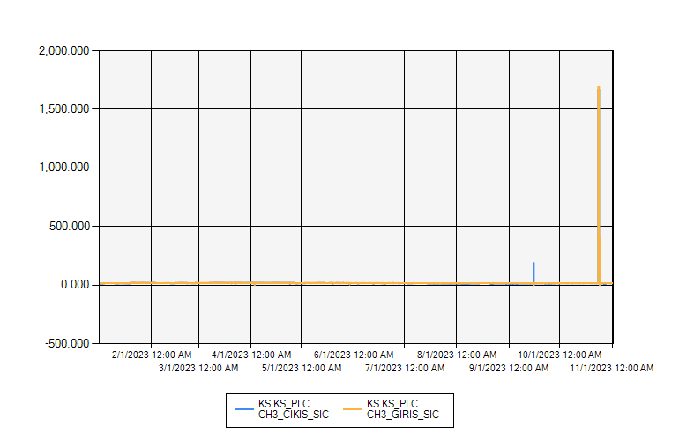
 | CHILLER 3 GIRIS-CIKIS SU SICAKLIĞI 2023 YILI

1/1/2023 12:00:00 AM - 11/2/2023 12:00:00 AM (Server Local)

